Regression Chart
No: of Subscribers in each course (2011 - 2017)
 | Business Finance | Graphic Design | Musical Instruments | Web Development
2011 |  |  |  | 5
2012 | 6 | 10 | 10 | 19
2013 | 84 | 23 | 39 | 56
2014 | 192 | 66 | 120 | 113
2015 | 340 | 167 | 171 | 336
2016 | 349 | 181 | 228 | 446
2017 | 224 | 155 | 112 | 224

Web Development Courses throughout 2011-2017
 | Web Development Course
2011 | 5
2012 | 19
2013 | 56
2014 | 113
2015 | 336
2016 | 446
2017 | 224

Revenue Chart
Revenue earned from Subjects offered in Udemy Courses (in millions)
Row Labels | Sum of Revenue
Web Development | 630792570
Business Finance | 125330075
Graphic Design | 76971770
Musical Instruments | 53609556
Grand Total | 886703971

Our resolution is to create courses under web development.
Since web development is a competitive course, can include some paid zoom sessions with the instructor to clarify doubts directly.

Most Subcribers
Total Subcribers for each subject (in millions)
subject | No: of Subscribers
Musical Instruments | 845683
Graphic Design | 1062958
Business Finance | 1868707
Web Development | 7965682

Web Devlopment - Conflict Chart
Count of Courses | Column Labels
Row Labels | Business Finance | Graphic Design | Musical Instruments | Web Development | Grand Total
2011 |  |  |  | 5 | 5
2012 | 6 | 10 | 10 | 19 | 45
2013 | 84 | 23 | 39 | 56 | 202
2014 | 192 | 66 | 120 | 113 | 491
2015 | 340 | 167 | 171 | 336 | 1014
2016 | 349 | 181 | 228 | 446 | 1204
2017 | 224 | 155 | 112 | 224 | 715
Grand Total | 1195 | 602 | 680 | 1199 | 3676

No: of Subscribers in each course (2011 - 2017)
 | Business Finance | Graphic Design | Musical Instruments | Web Development
2011 |  |  |  | 5
2012 | 6 | 10 | 10 | 19
2013 | 84 | 23 | 39 | 56
2014 | 192 | 66 | 120 | 113
2015 | 340 | 167 | 171 | 336
2016 | 349 | 181 | 228 | 446
2017 | 224 | 155 | 112 | 224

Secondary Research
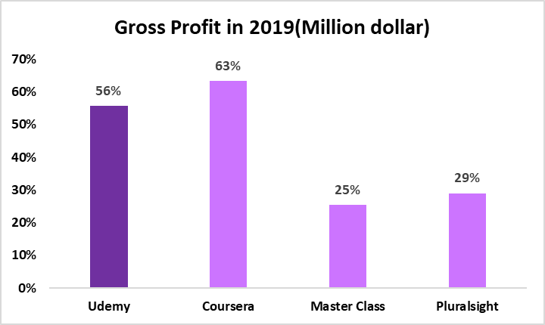
GROSS MARGIN |  | GROSS MARGIN
 | 2019 |  | 2019
Udemy | 56% | Udemy | $276.00
Coursera | 63% | Coursera | $184.00
Master Class | 25% | Master Class | $45.00
Pluralsight | 29% | Pluralsight | $31.00

Other Charts
Year | Paid | Year | Unpaid | Year | All Levels | Year | Beginner Level | Year | Intermediate Level | Year | Expert Level | Level | Courses Offered
2011 | 5 | 2011 | 0 | 2011 | 5 | 2011 | 0 | 2011 | 0 | 2011 | 0 | All Level | 610
2012 | 18 | 2012 | 1 | 2012 | 14 | 2012 | 2 | 2012 | 2 | 2012 | 0 | Beginner Level | 323
2013 | 49 | 2013 | 7 | 2013 | 25 | 2013 | 23 | 2013 | 1 | 2013 | 0 | Intermediate Level | 118
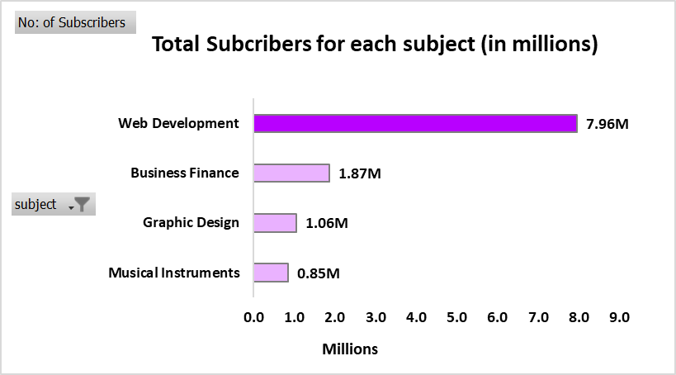
2014 | 88 | 2014 | 25 | 2014 | 52 | 2014 | 23 | 2014 | 11 | 2014 | 2 | Expert Level | 15
2015 | 308 | 2015 | 28 | 2015 | 198 | 2015 | 82 | 2015 | 22 | 2015 | 6
2016 | 409 | 2016 | 37 | 2016 | 231 | 2016 | 122 | 2016 | 55 | 2016 | 1
2017 | 189 | 2017 | 35 | 2017 | 85 | 2017 | 71 | 2017 | 27 | 2017 | 6

Free Web Dvelopment Courses
Paid Web Development Courses
Web Development Courses for All Levels

Web Development Courses - Beginner Level
Web Development Courses - Intermediate Level
Web Development Courses Offered (2011-2017)

Web Development Courses - Expert Level

